Picture
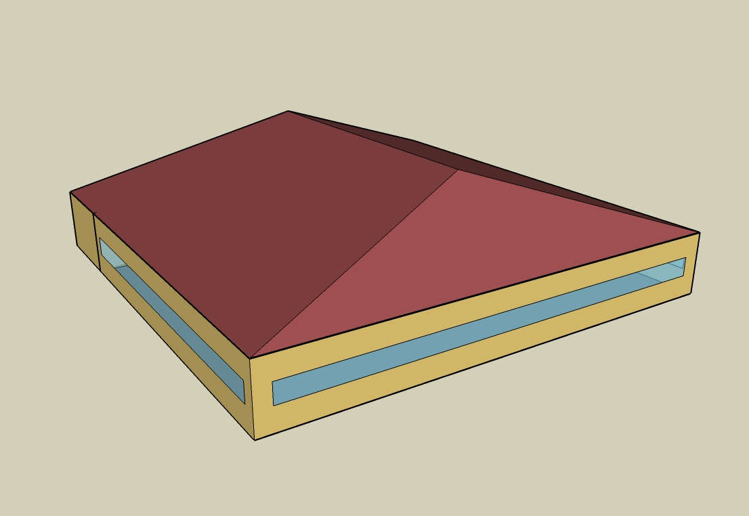
DOE Commercial Building Benchmark - Full Service Restaurant

Electricity
 | Cooling | Interior Lighting | Exterior Lighting | Interior Equipment | Fans | Refrigeration
Miami | 103,127.78 | 80,500.00 | 22,216.67 | 166,402.78 | 61,208.33 | 18,741.67
Houston | 64,413.89 | 80,500.00 | 22,177.78 | 166,402.78 | 34,538.89 | 18,050.00
Phoenix | 70,072.22 | 80,500.00 | 22,172.22 | 166,402.78 | 34,541.67 | 17,972.22
Atlanta | 34,358.33 | 80,500.00 | 22,208.33 | 166,402.78 | 34,827.78 | 17,333.33
Los Angeles | 11,572.22 | 80,500.00 | 22,202.78 | 166,402.78 | 55,802.78 | 17,369.44
Las Vegas | 51,372.22 | 80,500.00 | 22,183.33 | 166,402.78 | 33,791.67 | 17,458.33
San Francisco | 3,163.89 | 80,500.00 | 22,158.33 | 166,402.78 | 29,300.00 | 16,725.00
Baltimore | 25,441.67 | 80,500.00 | 22,180.56 | 166,402.78 | 31,811.11 | 16,861.11
Albuquerque | 25,677.78 | 80,500.00 | 22,177.78 | 166,402.78 | 58,000.00 | 16,805.56
Seattle | 4,316.67 | 80,500.00 | 22,144.44 | 166,402.78 | 30,183.33 | 16,438.89
Chicago | 17,397.22 | 80,500.00 | 22,150.00 | 166,402.78 | 31,636.11 | 16,527.78
Boulder | 14,694.44 | 80,500.00 | 22,155.56 | 166,402.78 | 34,852.78 | 16,438.89
Minneapolis | 15,097.22 | 80,500.00 | 22,169.44 | 166,402.78 | 30,825.00 | 16,377.78
Helena | 8,519.44 | 80,500.00 | 22,141.67 | 166,402.78 | 32,633.33 | 16,116.67
Duluth | 5,141.67 | 80,500.00 | 22,136.11 | 166,402.78 | 29,247.22 | 15,883.33
Fairbanks | 2,033.33 | 80,500.00 | 22,002.78 | 166,402.78 | 28,330.56 | 15,508.33

Gas
 | Heating | Interior Equipment | Water Systems
Miami | 12,500.00 | 800,920.00 | 166,550.00
Houston | 209,590.00 | 800,920.00 | 198,430.00
Phoenix | 154,640.00 | 800,920.00 | 180,100.00
Atlanta | 398,730.00 | 800,920.00 | 229,140.00
Los Angeles | 101,670.00 | 800,920.00 | 223,190.00
Las Vegas | 260,120.00 | 800,920.00 | 202,170.00
San Francisco | 379,000.00 | 800,920.00 | 249,470.00
Baltimore | 691,280.00 | 800,920.00 | 253,280.00
Albuquerque | 418,030.00 | 800,920.00 | 248,710.00
Seattle | 659,640.00 | 800,920.00 | 265,850.00
Chicago | 934,730.00 | 800,920.00 | 274,470.00
Boulder | 676,260.00 | 800,920.00 | 273,370.00
Minneapolis | 1,180,050.00 | 800,920.00 | 292,790.00
Helena | 984,610.00 | 800,920.00 | 296,110.00
Duluth | 1,475,190.00 | 800,920.00 | 322,990.00
Fairbanks | 2,327,680.00 | 800,920.00 | 359,540.00

EUI
 | Cooling (elec) | Interior Lighting (elec) | Exterior Lighting (elec) | Interior Equipment (elec) | Fans (elec) | Refrigeration (elec) | Heating (gas) | Interior Equipment (gas) | Water Systems (gas)
Miami | 726.32 | 566.96 | 156.47 | 1171.97 | 431.09 | 132.00 | 24.45 | 1566.90 | 325.83
Houston | 453.66 | 566.96 | 156.20 | 1171.97 | 243.26 | 127.13 | 410.04 | 1566.90 | 388.20
Phoenix | 493.51 | 566.96 | 156.16 | 1171.97 | 243.27 | 126.58 | 302.53 | 1566.90 | 352.34
Atlanta | 241.98 | 566.96 | 156.41 | 1171.97 | 245.29 | 122.08 | 780.06 | 1566.90 | 448.28
Los Angeles | 81.50 | 566.96 | 156.37 | 1171.97 | 393.02 | 122.33 | 198.90 | 1566.90 | 436.64
Las Vegas | 361.81 | 566.96 | 156.24 | 1171.97 | 237.99 | 122.96 | 508.89 | 1566.90 | 395.52
San Francisco | 22.28 | 566.96 | 156.06 | 1171.97 | 206.36 | 117.79 | 741.47 | 1566.90 | 488.06
Baltimore | 179.18 | 566.96 | 156.22 | 1171.97 | 224.04 | 118.75 | 1352.40 | 1566.90 | 495.51
Albuquerque | 180.85 | 566.96 | 156.20 | 1171.97 | 408.49 | 118.36 | 817.82 | 1566.90 | 486.57
Seattle | 30.40 | 566.96 | 155.96 | 1171.97 | 212.58 | 115.78 | 1290.50 | 1566.90 | 520.10
Chicago | 122.53 | 566.96 | 156.00 | 1171.97 | 222.81 | 116.40 | 1828.68 | 1566.90 | 536.97
Boulder | 103.49 | 566.96 | 156.04 | 1171.97 | 245.47 | 115.78 | 1323.02 | 1566.90 | 534.81
Minneapolis | 106.33 | 566.96 | 156.14 | 1171.97 | 217.10 | 115.35 | 2308.62 | 1566.90 | 572.81
Helena | 60.00 | 566.96 | 155.94 | 1171.97 | 229.83 | 113.51 | 1926.26 | 1566.90 | 579.30
Duluth | 36.21 | 566.96 | 155.90 | 1171.97 | 205.99 | 111.87 | 2886.02 | 1566.90 | 631.89
Fairbanks | 14.32 | 566.96 | 154.96 | 1171.97 | 199.53 | 109.22 | 4553.81 | 1566.90 | 703.39

Water
 | Total Building | Water for Electricity (m3)
Miami | 1,377.36 | 239.56
Houston | 1,377.36 | 628.21
Phoenix | 1,377.36 | 11,634.20
Atlanta | 1,377.36 | 2,220.43
Los Angeles | 1,377.36 | 6,212.89
Las Vegas | 1,377.36 | 10,197.50
San Francisco | 1,377.36 | 5,587.81
Baltimore | 1,377.36 | 77.92
Albuquerque | 1,377.36 | 1,678.12
Seattle | 1,377.36 | 3,269.24
Chicago | 1,377.36 | 519.14
Boulder | 1,377.36 | 1,521.38
Minneapolis | 1,377.36 | 514.10
Helena | 1,377.36 | 20,670.10
Duluth | 1,377.36 | 495.40
Fairbanks | 1,377.36 | 321.61

Carbon
 | Carbon Equivalent (kg)
Miami | 141,686.93
Houston | 150,583.88
Phoenix | 138,713.00
Atlanta | 135,313.32
Los Angeles | 61,654.27
Las Vegas | 148,147.80
San Francisco | 62,968.58
Baltimore | 124,090.47
Albuquerque | 177,432.73
Seattle | 54,437.91
Chicago | 214,648.79
Boulder | 168,432.77
Minneapolis | 154,428.60
Helena | 156,784.88
Duluth | 156,167.66
Fairbanks | 151,476.32

LghtSch
Lighting Schedules
 | Weekday | Saturday | Sunday
 | 0.45 | 0.45 | 0.45
 | 0.15 | 0.15 | 0.15
 | 0.15 | 0.15 | 0.15
 | 0.15 | 0.15 | 0.15
 | 0.15 | 0.15 | 0.15
 | 0.45 | 0.45 | 0.45
 | 0.9 | 0.9 | 0.9
 | 0.9 | 0.9 | 0.9
 | 0.9 | 0.9 | 0.9
 | 0.9 | 0.9 | 0.9
 | 0.9 | 0.9 | 0.9
 | 0.9 | 0.9 | 0.9
 | 0.9 | 0.9 | 0.9
 | 0.9 | 0.9 | 0.9
 | 0.9 | 0.9 | 0.9
 | 0.9 | 0.9 | 0.9
 | 0.9 | 0.9 | 0.9
 | 0.9 | 0.9 | 0.9
 | 0.9 | 0.9 | 0.9
 | 0.9 | 0.9 | 0.9
 | 0.9 | 0.9 | 0.9
 | 0.9 | 0.9 | 0.9
 | 0.9 | 0.9 | 0.9
 | 0.9 | 0.9 | 0.9

EqpSch
Kitchen Equipment Schedules
 | Weekday | Saturday | Sunday
 | 0.1 | 0.1 | 0.1
 | 0.1 | 0.1 | 0.1
 | 0.1 | 0.1 | 0.1
 | 0.1 | 0.1 | 0.1
 | 0.1 | 0.1 | 0.1
 | 0.1 | 0.1 | 0.1
 | 0.25 | 0.25 | 0.25
 | 0.35 | 0.35 | 0.35
 | 0.35 | 0.35 | 0.35
 | 0.25 | 0.25 | 0.25
 | 0.35 | 0.35 | 0.35
 | 0.35 | 0.35 | 0.35
 | 0.35 | 0.35 | 0.35
 | 0.25 | 0.25 | 0.25
 | 0.25 | 0.25 | 0.25
 | 0.25 | 0.25 | 0.25
 | 0.35 | 0.35 | 0.35
 | 0.35 | 0.35 | 0.35
 | 0.35 | 0.35 | 0.35
 | 0.25 | 0.25 | 0.25
 | 0.25 | 0.25 | 0.25
 | 0.25 | 0.25 | 0.25
 | 0.25 | 0.25 | 0.25
 | 0.25 | 0.25 | 0.25

GasEquipSch
Kitchen Gas Equipment Schedule
 | AllDays
 | 0.02
 | 0.02
 | 0.02
 | 0.02
 | 0.02
 | 0.05
 | 0.1
 | 0.15
 | 0.2
 | 0.15
 | 0.25
 | 0.25
 | 0.25
 | 0.2
 | 0.15
 | 0.2
 | 0.3
 | 0.3
 | 0.3
 | 0.2
 | 0.2
 | 0.15
 | 0.1
 | 0.05

OccSch
Occupancy Schedules
 | Weekday | Saturday | Sunday
 | 0.05 | 0.05 | 0.05
 | 0 | 0 | 0
 | 0 | 0 | 0
 | 0 | 0 | 0
 | 0 | 0 | 0
 | 0.05 | 0 | 0
 | 0.1 | 0.05 | 0.05
 | 0.4 | 0.5 | 0.5
 | 0.4 | 0.5 | 0.5
 | 0.4 | 0.4 | 0.2
 | 0.2 | 0.2 | 0.2
 | 0.5 | 0.45 | 0.3
 | 0.8 | 0.5 | 0.5
 | 0.7 | 0.5 | 0.5
 | 0.4 | 0.35 | 0.3
 | 0.2 | 0.3 | 0.2
 | 0.25 | 0.3 | 0.25
 | 0.5 | 0.3 | 0.35
 | 0.8 | 0.7 | 0.55
 | 0.8 | 0.9 | 0.65
 | 0.8 | 0.7 | 0.7
 | 0.5 | 0.65 | 0.35
 | 0.35 | 0.55 | 0.2
 | 0.2 | 0.35 | 0.2

HeatSch
Dining Heating Set Point Schedules
 | Weekday | Saturday | Sunday
 | 21 | 21 | 21
 | 15.6 | 15.6 | 15.6
 | 15.6 | 15.6 | 15.6
 | 15.6 | 15.6 | 15.6
 | 15.6 | 15.6 | 15.6
 | 21 | 21 | 21
 | 21 | 21 | 21
 | 21 | 21 | 21
 | 21 | 21 | 21
 | 21 | 21 | 21
 | 21 | 21 | 21
 | 21 | 21 | 21
 | 21 | 21 | 21
 | 21 | 21 | 21
 | 21 | 21 | 21
 | 21 | 21 | 21
 | 21 | 21 | 21
 | 21 | 21 | 21
 | 21 | 21 | 21
 | 21 | 21 | 21
 | 21 | 21 | 21
 | 21 | 21 | 21
 | 21 | 21 | 21
 | 21 | 21 | 21

CoolSch
Dining Cooling Set Point Schedules
 | Weekday | Saturday | Sunday
 | 24 | 24 | 24
 | 30 | 30 | 30
 | 30 | 30 | 30
 | 30 | 30 | 30
 | 30 | 30 | 30
 | 24 | 24 | 24
 | 24 | 24 | 24
 | 24 | 24 | 24
 | 24 | 24 | 24
 | 24 | 24 | 24
 | 24 | 24 | 24
 | 24 | 24 | 24
 | 24 | 24 | 24
 | 24 | 24 | 24
 | 24 | 24 | 24
 | 24 | 24 | 24
 | 24 | 24 | 24
 | 24 | 24 | 24
 | 24 | 24 | 24
 | 24 | 24 | 24
 | 24 | 24 | 24
 | 24 | 24 | 24
 | 24 | 24 | 24
 | 24 | 24 | 24

HeatSchKitchen
Kitchen Heating Set Point Schedules
 | Weekday | Saturday | Sunday
 | 19 | 19 | 19
 | 15.6 | 15.6 | 15.6
 | 15.6 | 15.6 | 15.6
 | 15.6 | 15.6 | 15.6
 | 15.6 | 15.6 | 15.6
 | 19 | 19 | 19
 | 19 | 19 | 19
 | 19 | 19 | 19
 | 19 | 19 | 19
 | 19 | 19 | 19
 | 19 | 19 | 19
 | 19 | 19 | 19
 | 19 | 19 | 19
 | 19 | 19 | 19
 | 19 | 19 | 19
 | 19 | 19 | 19
 | 19 | 19 | 19
 | 19 | 19 | 19
 | 19 | 19 | 19
 | 19 | 19 | 19
 | 19 | 19 | 19
 | 19 | 19 | 19
 | 19 | 19 | 19
 | 19 | 19 | 19

CoolSchKitchen
Kitchen Cooling Set Point Schedules
 | Weekday | Saturday | Sunday
 | 24 | 24 | 24
 | 30 | 30 | 30
 | 30 | 30 | 30
 | 30 | 30 | 30
 | 30 | 30 | 30
 | 24 | 24 | 24
 | 24 | 24 | 24
 | 24 | 24 | 24
 | 24 | 24 | 24
 | 24 | 24 | 24
 | 24 | 24 | 24
 | 24 | 24 | 24
 | 24 | 24 | 24
 | 24 | 24 | 24
 | 24 | 24 | 24
 | 24 | 24 | 24
 | 24 | 24 | 24
 | 24 | 24 | 24
 | 24 | 24 | 24
 | 24 | 24 | 24
 | 24 | 24 | 24
 | 24 | 24 | 24
 | 24 | 24 | 24
 | 24 | 24 | 24

